Sheet1
 |  | Document No. |  | Issue No. | Issue Date |  |  | Review and Replace Date |  |  | Authorised By
 |  | GFF282MC |  | 6 | 30.03.2021 |  |  | 29.03.2023 |  |  | Magda Shah
 |  | Document Title |  | Keralan Cod with Black Rice 400g
Document amendments reason for change |  | Tray & Film Changed Black Rice recipe name changed |  |  |  | Previous Issue Date |  |  |  | 23.12.2021 | Uncontrolled copy unless signed original

FFKCR1-R8TMC | MINDFUL CHEF |  |  | Keralan Cod with Black Rice 400g | FROZEN
STEP 1 |  |  |  |  |  |  | STEP 2
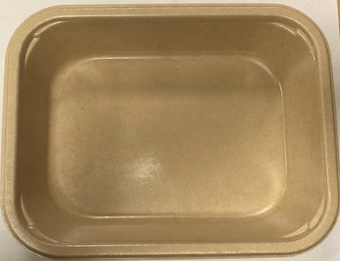

PACK DAY + 1 YEAR
NON-MAP PACK

Tray: Flat Tray-PET Fresh Fibre Food Tray (200 x 155 x 39)-PKHUH001-01 |  |  |  |  |  |  | Steamed Cod (MC) (GFF363R): 70g
Film: K peel 7G+25A/f-275mm-(PKKMP001-03)
STEP 3 |  |  | STEP 4 |  |  |  |  |  | STEP 5
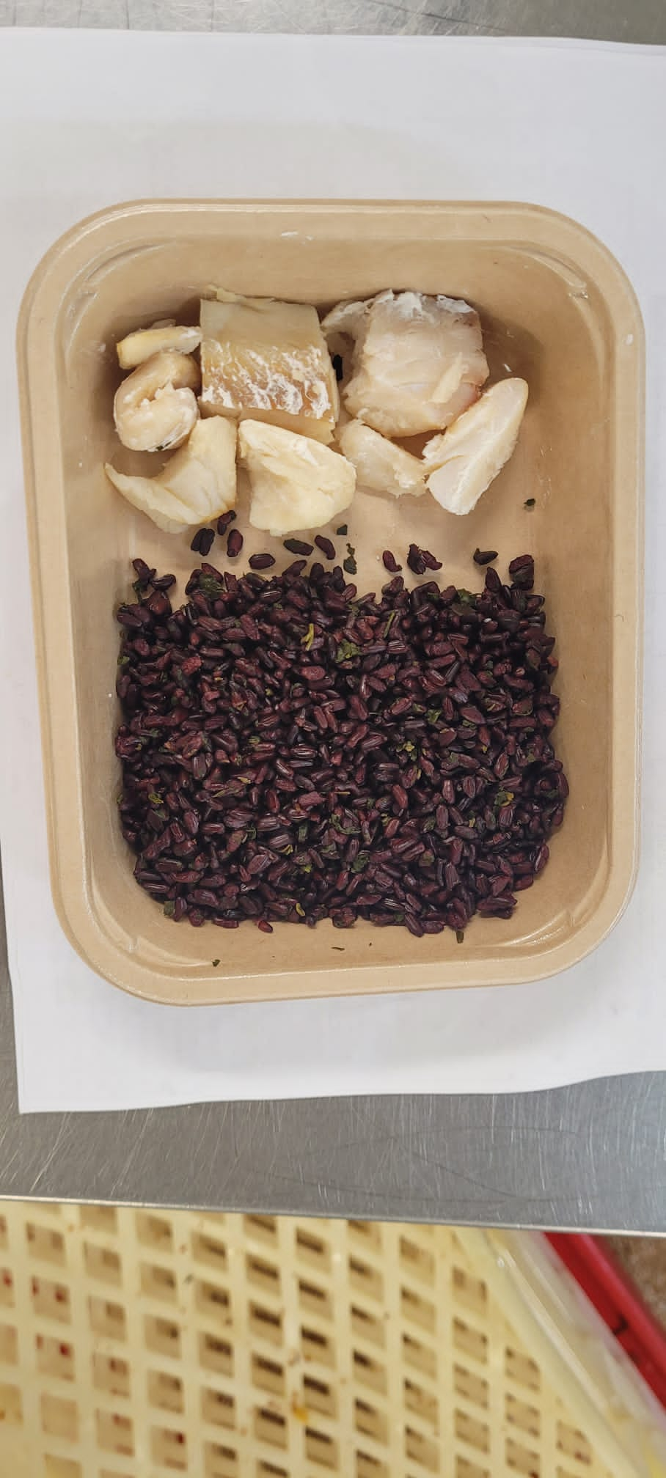 |  |  | 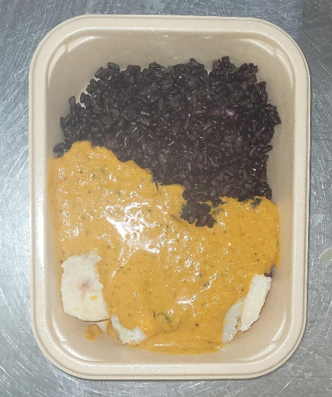 |  |  |  |  |  | 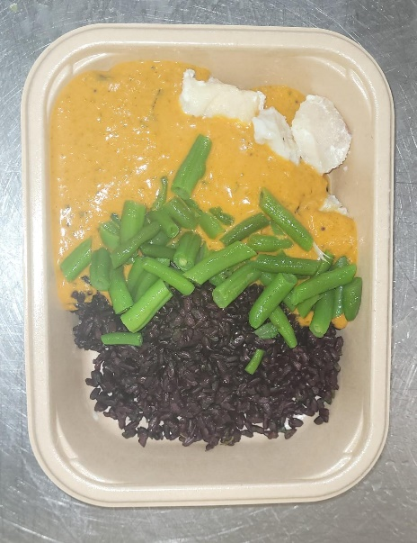

Coriander Black Rice (GFF238R): 100g |  |  | Keralan Curry Sauce (MC) (GFF362R) 190g |  |  |  |  |  | Steamed Green Beans (GFF204R) 40g |  |  | Total Weight: 400g

ALLERGY ALERT: FISH, MUSTARD

